ID 1
ID | 1
Summary | Incorrect display of the number in the input field
Project | Calculator
Application Component | Input field
Version | 1.0
Severity | Minor
Priority | Normal
Status | Open
The author | Ekaterina Molchanovich (QA)
Assigned To | Ekaterina Molchanovich (Dev)
Environment | Windows 10
Steps | 1. Run calculator 2.Enter the number "9" 3. Press the "+" button
Expected result | The number "9" appeared on the screen
Actual result | A "9.0" sign appeared on the screen
Addition | 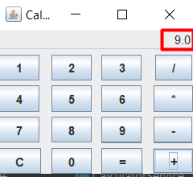

ID 2
ID | 2
Summary | No error message when dividing by 0
Project | Calculator
Application Component | Input field
Version | 1.0
Severity | Major
Priority | High
Status | Open
The author | Ekaterina Molchanovich (QA)
Assigned To | Ekaterina Molchanovich (Dev)
Environment | Windows 10
Steps | 1. Run calculator 2.Enter the number "9" 3. Press the "/" button 4. Enter the number "0" 5. Press the "=" button
Expected result | The message "Cannot be divided by zero" appears
Actual result | The message "Infinity" appears
Addition | 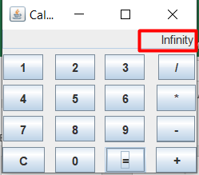

ID 4
ID | 4
Summary | Outputs an invalid value when performing a computational operation with a 16-digit number or more
Project | Calculator
Application Component | Input field
Version | 1.0
Severity | Minor
Priority | Normal
Status | Open
The author | Ekaterina Molchanovich (QA)
Assigned To | Ekaterina Molchanovich (Dev)
Environment | Windows 10
Steps | 1. Run calculator 2.Enter extreme or 16 or more digits 3. Press the "+" button
Expected result | The value has not changed
Actual result | An incorrect value is displayed on the screen
Addition | 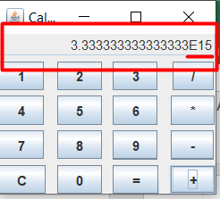

ID 5
ID | 5
Summary | Outputs an invalid value when performing a computational operation with a 16-digit number or more
Project | Calculator
Application Component | Input field
Version | 1.0
Severity | Minor
Priority | Normal
Status | Open
The author | Ekaterina Molchanovich (QA)
Assigned To | Ekaterina Molchanovich (Dev)
Environment | Windows 10
Steps | 1. Run calculator 2.Enter extreme or 16 or more digits 3. Press the "+" button 4. Enter the number "1" 5. Press the "=" button
Expected result
Actual result | An incorrect value is displayed on the screen
Addition | 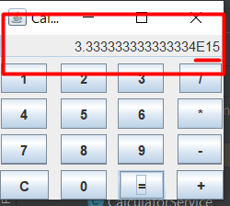 Ask the BA what behavior is expected in such a situation

